Boys Standings
 | 2022 NJISRA Standings: Boys Standings |  |  |  |  |  |  |  |  |  |  |  |  |  | Total | Total
 | Team | Conf. | SL 1 W | SL 1 L | SL 2 W | SL 2 L | SL 3 W | SL 3 L | GS 1 W | GS 1 L | GS 2 W | GS 2 L | GS 3 W | GS 3 L | W | L | Win Pct.
1 | Delbarton | C | 6 | 0 | 6 | 1 | 6 | 2 | 6 | 0 | 6 | 0 | 6 | 0 | 36 | 3 | 0.923 | Top 8
2 | Ridge | B | 5 | 1 | 6 | 0 | 5 | 1 | 6 | 0 | 6 | 2 | 6 | 0 | 34 | 4 | 0.895 | State Qualifiers
3 | Pingry | A | 5 | 2 | 7 | 0 | 1 | 6 | 6 | 1 | 7 | 0 | 6 | 1 | 32 | 10 | 0.762
4 | Mo Beard | A | 6 | 1 | 6 | 1 | 1 | 6 | 5 | 2 | 6 | 1 | 7 | 0 | 31 | 11 | 0.738
5 | Vernon | A | 7 | 0 | 1 | 6 | 7 | 0 | 7 | 0 | 7 | 0 | 1 | 6 | 30 | 12 | 0.714
6 | Sparta | C | 4 | 2 | 1 | 6 | 7 | 1 | 5 | 1 | 5 | 1 | 5 | 1 | 27 | 12 | 0.692
7 | Wayne Hills | C | 5 | 1 | 5 | 2 | 6 | 2 | 4 | 2 | 4 | 2 | 2 | 4 | 26 | 13 | 0.667
8 | Don Bosco | B | 6 | 0 | 2 | 4 | 6 | 0 | 5 | 1 | 1 | 7 | 5 | 1 | 25 | 13 | 0.658
9 | Bergen Catholic | A | 4 | 3 | 3 | 4 | 6 | 1 | 4 | 3 | 5 | 2 | 5 | 2 | 27 | 15 | 0.643 | Petro qualifier 2
10 | Bernards | B | 2 | 4 | 5 | 1 | 3 | 3 | 3 | 3 | 5 | 3 | 4 | 2 | 22 | 16 | 0.579 | Petro qualifier 1
11 | Mt. Lakes | C | 1 | 5 | 5 | 2 | 6 | 2 | 3 | 3 | 3 | 3 | 4 | 2 | 22 | 17 | 0.564
12 | Newton | A | 2 | 5 | 5 | 2 | 2 | 5 | 2 | 5 | 5 | 2 | 4 | 3 | 20 | 22 | 0.476 | Petro qualifier 3
13 | Ridgewood | C | 2 | 4 | 0 | 0 | 6 | 2 | 2 | 4 | 2 | 4 | 3 | 3 | 15 | 17 | 0.469
14 | Blair | B | 4 | 2 | 3 | 3 | 1 | 5 | 4 | 2 | 3 | 5 | 2 | 4 | 17 | 21 | 0.447
15 | Tenafly | B | 3 | 3 | 0 | 6 | 4 | 2 | 2 | 4 | 3 | 5 | 3 | 3 | 15 | 23 | 0.395
16 | Passaic Tech | B | 1 | 5 | 3 | 3 | 2 | 4 | 1 | 5 | 3 | 5 | 1 | 5 | 11 | 27 | 0.289
17 | Dw. Englewood | A | 0 | 7 | 4 | 3 | 0 | 7 | 3 | 4 | 2 | 5 | 3 | 4 | 12 | 30 | 0.286
18 | Jefferson | C | 3 | 3 | 1 | 6 | 5 | 3 | 0 | 6 | 1 | 5 | 1 | 5 | 11 | 28 | 0.282
19 | Wayne Valley | C | 0 | 6 | 3 | 4 | 3 | 5 | 1 | 5 | 0 | 6 | 0 | 6 | 7 | 32 | 0.179
20 | High Point | A | 1 | 6 | 2 | 5 | 0 | 7 | 1 | 6 | 1 | 6 | 0 | 7 | 5 | 37 | 0.119
21 | Pope John | A | 3 | 4 | 0 | 7 | 0 | 7 | 0 | 7 | 0 | 7 | 2 | 5 | 5 | 37 | 0.119
22 | West Milford | B | 0 | 6 | 2 | 4 | 0 | 6 | 0 | 6 | 2 | 6 | 0 | 6 | 4 | 34 | 0.105
 | Ramapo | C | * | * | * | * | * | * | * | * | * | * | * | * | * | * | *
 |  |  | 1/24 A v A (8 teams) |  |  |  |  |  | 1/27 A v A (8 teams) |  | 2/2: C v C (7 Teams) |  | 2/9 B v B (7 teams)
 |  |  | 1/24 B v B (7 teams) |  | 1/14: A v A (8tms) |  | 1/21: B v B (7 teams) |  | 1/28 B v B (7 teams) |  | 2/10: A(8) v B(7) |  | 2/11 A v A (8 teams)
 |  |  | 1/25: C v C (7 teams) |  | 1/14: B(7) v C(6) |  | 1/21: A(8)vC(7) |  | 1/27: C v C (7 teams) |  |  |  | 2/11: C v C (7 teams)

 | *- Did not qualify - not enough starters

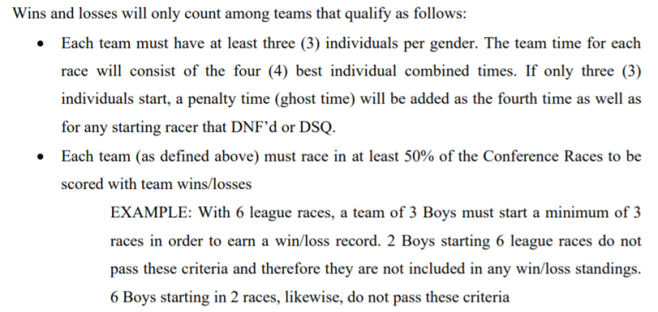

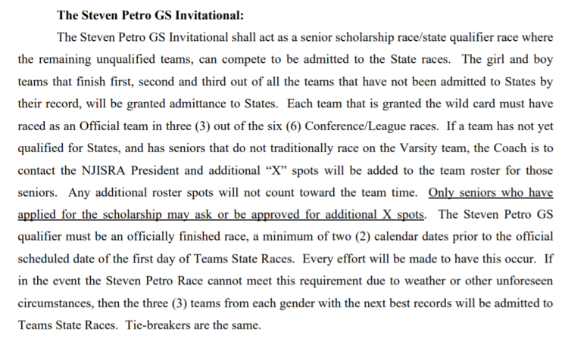

Girls Standings
 | 2022 NJISRA Standings: Girls Standings |  |  |  |  |  |  |  |  |  |  |  |  |  | Total | Total
 | Team | Conf. | SL 1 W | SL 1 L | SL 2 W | SL 2 L | SL 3 W | SL 3 L | GS 1 W | GS 1 L | GS 2 W | GS 2 L | GS 3 W | GS 3 L | W | L | Win Pct.
1 | Ridgewood | C | 6 | 0 | 0 | 0 | 6 | 0 | 5 | 1 | 6 | 0 | 5 | 1 | 28 | 2 | 0.933 | Top 8
2 | Vernon | A | 4 | 1 | 5 | 0 | 5 | 2 | 5 | 0 | 6 | 0 | 5 | 0 | 30 | 3 | 0.909 | State Qualifiers
3 | Ridge | B | 5 | 0 | 6 | 0 | 5 | 0 | 4 | 1 | 4 | 2 | 4 | 1 | 28 | 4 | 0.875
4 | Mt. Lakes | C | 5 | 1 | 5 | 1 | 6 | 0 | 4 | 2 | 4 | 2 | 6 | 0 | 30 | 6 | 0.833
5 | Pingry | A | 5 | 0 | 4 | 1 | 4 | 3 | 4 | 1 | 6 | 0 | 4 | 1 | 27 | 6 | 0.818
6 | Tenafly | B | 4 | 1 | 4 | 2 | 4 | 1 | 5 | 0 | 4 | 2 | 5 | 0 | 26 | 6 | 0.813
7 | Sparta | C | 2 | 4 | 5 | 1 | 5 | 1 | 6 | 0 | 5 | 1 | 4 | 2 | 27 | 9 | 0.750
8 | IHA | B | 3 | 2 | 3 | 3 | 2 | 3 | 3 | 2 | 4 | 2 | 3 | 2 | 18 | 14 | 0.563
9 | Blair | B | 2 | 3 | 4 | 2 | 3 | 2 | 2 | 3 | 4 | 2 | 2 | 3 | 17 | 15 | 0.531 | Petro qualifier 1
10 | Wayne Hills | C | 4 | 2 | 2 | 4 | 2 | 4 | 3 | 3 | 3 | 3 | 3 | 3 | 17 | 19 | 0.472 | Petro qualifier 2
11 | Dw. Englewood | A | 0 | 5 | 3 | 2 | 4 | 3 | 3 | 2 | 2 | 4 | 3 | 2 | 15 | 18 | 0.455
12 | Wayne Valley | C | 3 | 3 | 3 | 3 | 2 | 4 | 2 | 4 | 2 | 4 | 2 | 4 | 14 | 22 | 0.389 | Petro qualifier 3
13 | Newton | A | 2 | 3 | 2 | 3 | 2 | 5 | 2 | 3 | 2 | 4 | 2 | 3 | 12 | 21 | 0.364
14 | Pope John | A | 3 | 2 | 1 | 4 | 4 | 3 | 1 | 4 | 1 | 5 | 1 | 4 | 11 | 22 | 0.333
15 | Bernards | B | 1 | 4 | 1 | 5 | 1 | 4 | 1 | 4 | 2 | 4 | 1 | 4 | 7 | 25 | 0.219
16 | Jefferson | C | 1 | 5 | 1 | 5 | 1 | 5 | 0 | 6 | 1 | 5 | 1 | 5 | 5 | 31 | 0.139
17 | Mo Beard | A | 1 | 4 | 0 | 5 | 1 | 6 | 0 | 5 | 1 | 5 | 0 | 5 | 3 | 30 | 0.091
18 | Ramapo | C | 0 | 6 | 2 | 4 | 0 | 6 | 1 | 5 | 0 | 6 | 0 | 6 | 3 | 33 | 0.083
19 | Passaic Tech | B | 0 | 5 | 0 | 6 | 0 | 5 | 0 | 5 | 0 | 6 | 0 | 5 | 0 | 32 | 0.000
 | High Point | A | * | * | * | * | * | * | * | * | * | * | * | * | * | *
 | West Milford | B | * | * | * | * | * | * | * | * | * | * | * | * | * | *
 |  |  | 1/24 A v A (6 teams) |  | 1/14: A v A (6 tms) |  | 1/21: B v B (6 teams) |  | 1/27 A v A (6 teams) |  | 2/2: C v C (7 Teams) |  | 2/9 B v B (6 teams)
 |  |  | 1/24 B v B (6 teams) |  | 1/14: B(6) v C(6) |  | 1/21: A(6)vC(7) |  | 1/28 B v B (6 teams) |  | 2/10: A(6) v B(6) |  | 2/11 A v A (6 teams)
 |  |  | 1/25: C v C (7 teams) |  |  |  |  |  | 1/27: C v C (7 teams) |  |  |  | 2/11: C v C (7 teams)

 | *- Did not qualify - not enough starters

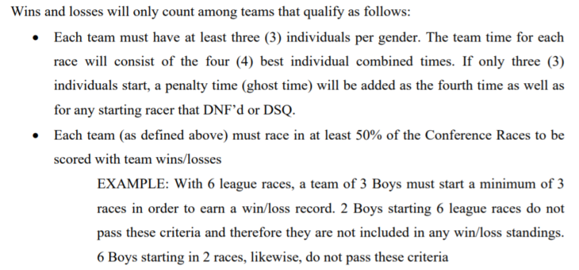

Boys Point Totals
2022 Boys Point Totals
 |  |  |  | 1/24 A | 1/14: A | 1/21: B | 1/27 A | 2/2: C | 2/9: B
 |  |  |  | 1/24 B | 1/14: BvC | 1/21: AvC | 1/28 B | 2/10: AvB | 2/11: A
 |  |  |  | 1/25: C |  |  | 1/27: C |  | 2/11:C
 | Name | Team | Lg | SL 1 | SL 2 | SL 3 | GS 1 | GS 2 | GS 3 | Total
1 | Louis Friedrich | Delbarton | C | 30 | 29 | 30 | 30 | 30 | 29 | 178 | Top 41
2 | Chase Greenberg | Mo Beard | A | 30 | 29 | 28 | 28 | 28 | 29 | 172 | All League
3 | Austin Tondo | Bernards | B | 27 | 30 | 30 | 29 | 23 | 28 | 167 | Qualified for ROC
4 | Kieran O' Connor | Ridge | B | 28 | 27 | 28 | 27 | 27 | 29 | 166
5 | Alex Mueller | Ridgewood | C | 28 | 0 | 24 | 28 | 29 | 28 | 164 | 137(6/5)
6 | Evan Dolan | Delbarton | C | 27 | 28 | 17 | 29 | 27 | 30 | 158
7 | Ryan Brim | Wayne Hills | C | 29 | 21 | 26 | 27 | 24 | 27 | 154
8 | Tobey Jay | Pingry | A | 23 | 30 | 27 | 0 | 29 | 30 | 139
9 | Connor Magee | Don Bosco | B | 17 | 26 | 27 | 19 | 25 | 25 | 139
10 | Matthew Butler | Jefferson | C | 24 | 20 | 20 | 25 | 26 | 24 | 139
11 | Nicolas(nico) Fons | Mo Beard | A | 28 | 27 | 21 | 23 | 0 | 26 | 125
12 | Brian Green | Ridge | B | 2 | 19 | 24 | 30 | 24 | 26 | 125
13 | Matt Lombardo | Pingry | A | 22 | 26 | 0 | 24 | 22 | 25 | 119
14 | Joon Park | Blair | B | 29 | 0 | 26 | 25 | 18 | 20 | 118
15 | Evan Amato | Vernon | A | 26 | 0 | 19 | 25 | 21 | 24 | 115
16 | Matt Tavares | Vernon | A | 29 | 0 | 22 | 30 | 30 | 0 | 111
17 | Daniel Speeney | Ridge | B | 21 | 17 | 17 | 22 | 17 | 17 | 111
18 | Drew Young | Sparta | C | 22 | 7 | 15 | 22 | 20 | 25 | 111
19 | Morgan Freifelder | Vernon | A | 24 | 24 | 0 | 21 | 13 | 27 | 109
20 | Adam Lees | Mt. Lakes | C | 23 | 24 | 10 | 15 | 14 | 23 | 109
21 | Ben Kotch | Blair | B | 20 | 22 | 16 | 24 | 0 | 24 | 106
22 | Jackson Kammen | Don Bosco | B | 30 | 0 | 29 | 28 | 0 | 19 | 106
23 | Ryan Johnson | Delbarton | C | 26 | 0 | 0 | 26 | 28 | 26 | 106
24 | Christopher Kang | Bergen Catholic | A | 25 | 0 | 16 | 20 | 19 | 21 | 101
25 | Eli Dzwonkowski | Tenafly | B | 26 | 0 | 21 | 18 | 14 | 22 | 101
26 | Camden Collins | Pingry | A | 17 | 25 | 0 | 27 | 26 | 4 | 99
27 | Harrison Burgess | Pope John | A | 27 | 12 | 0 | 19 | 15 | 22 | 95
...
2022 Boys Point Totals
 | Zach Scher | Ramapo | C | x | x | x | x | x | x1 | x1
 |  |  |  |  |  |  |  |  |  | 734/6 =
 |  | # of racers: |  | A&B: 61 | A: 43 | A/C: 88 | A:44 |  | A/C: 87 | 122.333
 |  |  |  | C: 46 | B/C: 76 | B: 42 | B:40 | A/B: 81 | B: 41 | Top1/3 = 41
 |  |  |  |  |  |  | C:42 | C: 43
 |  |  |  |  |  |  |  |  |  | 40% = 49
 |  | Total racers: |  | 107 | 119 | 130 | 126 | 124 | 128

