Girls Standings
Standings Girls
LIBERTY LEAGUE
Conf. A | GS 1 |  | GS2 |  | GS3 |  | SL 1 |  | SL2 |  | SL3 |  | Total |  | Win %
School | W | L | W | L | W | L | W | L | W | L | W | L | W | L |  | State Qualifiers
Bernards | 2 | 1 | 3 | 2 | 1 | 3 | 2 | 2 | 3 | 1 | 2 | 1 | 13 | 10 | 0.565 | 1) Ridgewood 1.000
IHA | 1 | 2 | 1 | 4 | 0 | 4 | 0 | 4 | 2 | 2 | 0 | 3 | 4 | 20 | 0.167 | 2) Wayne Valley .958
 |  |  |  |  |  |  |  |  |  |  |  |  |  |  |  | 3) Mt. Lakes .828
Conf. C | W | L | W | L | W | L | W | L | W | L | W | L | W | L |  | 4) West Milford .767
Ridgewood | 6 | 0 | 5 | 0 | 6 | 0 | 6 | 0 | 5 | 0 | 6 | 0 | 34 | 0 | 1.000 | 5) Ridge .764
Ridge | 4 | 2 | 4 | 1 | 5 | 1 | 5 | 1 | 4 | 1 | 4 | 2 | 26 | 8 | 0.764 | 6) Blair .625
High Point | 2 | 4 | 2 | 3 | 1 | 5 | 3 | 3 | 3 | 2 | 3 | 3 | 14 | 20 | 0.412 | 7)Sparta .586
Mo Beard | 0 | 6 | 0 | 5 | 0 | 6 | 2 | 4 | 0 | 5 | 0 | 6 | 2 | 32 | 0.059 | 8) Bernards .565
 |  |  |  |  |  |  |  |  |  |  |  |  |  |  |  | 8)Vernon .565
Conf E | W | L | W | L | W | L | W | L | W | L | W | L | W | L |  | 10) Petro Qualifier
Mt. Lakes | 5 | 0 | 4 | 0 | 4 | 2 | 3 | 1 | 4 | 1 | 4 | 1 | 24 | 5 | 0.828
Sparta | 4 | 1 | 3 | 1 | 2 | 4 | 4 | 0 | 3 | 2 | 1 | 4 | 17 | 12 | 0.586
Pingry | 2 | 3 | 1 | 3 | 3 | 3 | 1 | 3 | 0 | 5 | 0 | 5 | 7 | 22 | 0.241

FREEDOM LEAGUE
Conf. B | W | L | W | L | W | L | W | L | W | L | W | L | W | L
Vernon | 3 | 0 | 2 | 2 | 3 | 1 | 2 | 2 | 2 | 3 | 1 | 2 | 13 | 10 | 0.565
Wayne Hills | 0 | 3 | 0 | 4 | 2 | 2 | 0 | 4 | 1 | 4 | 3 | 0 | 6 | 17 | 0.261

Conf D | W | L | W | L | W | L | W | L | W | L | W | L | W | L
Wayne Valley | 5 | 1 | 5 | 0 | 4 | 0 | 4 | 0 | 5 | 0 | 5 | 0 | 23 | 1 | 0.958
Blair | 3 | 3 | 4 | 1 | 3 | 1 | 3 | 1 | 2 | 3 | 3 | 2 | 15 | 9 | 0.625
Pope John | 1 | 5 | 2 | 3 | 2 | 2 | 1 | 3 | 1 | 4 | 2 | 3 | 7 | 17 | 0.292

Conf F | W | L | W | L | W | L | W | L | W | L | W | L | W | L
West Milford | 3 | 2 | 3 | 2 | 4 | 0 | 4 | 2 | 4 | 0 | 5 | 1 | 23 | 7 | 0.767
Newton | 1 | 4 | 1 | 4 | 1 | 3 | 1 | 5 | 1 | 3 | 2 | 4 | 7 | 23 | 0.233
DePaul | 0 | 5 | 0 | 5 | 0 | 4 | 0 | 6 | 0 | 4 | 1 | 5 | 1 | 29 | 0.033
Jefferson | x | x | x | x | x | x | x | x | x | x | x | x | x | x | x

.500 win pct. or greater automatically qualifies for the State Finals
Conf/ # teams | A/B | 4 | A/C | 6 | C/E | 7 | D/B | 5 | D/E | 6 | A/B | 4
 | C/D | 7 | B/E | 5 | A/D | 5 | C/F | 7 | B/C | 6 | C/F | 7
 | E/F | 6 | D/F | 6 | F/B | 5 | A/E | 5 | A/F | 5 | D/E | 6

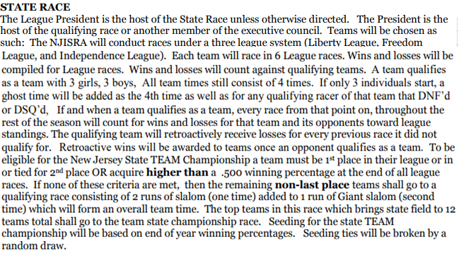

Girl's Individual Points
 | Girl's Individual Point Totals
 | Name | Team | Conf./ Lg. | GS1 | GS2 | GS3 | SL1 | SL2 | SL3 | Total
1 | Kaitlin Devir | Ridgewood | C/ Lib | 19 | 20 | 20 | 20 | 20 | 19 | 118
2 | Shannon Quiles | IHA | A/ Lib | 20 | 16 | 18 | 20 | 20 | 20 | 114 |  | All- League ROC Qualifiers
3 | Jane Mckinley | Ridgewood | C/ Lib | 18 | 19 | 19 | 18 | 18 | 16 | 108 |  | Honorable Mention ROC Qualifiers
4 | Kiera Clark | Wayne Valley | D/ Free | 14 | 19 | 19 | 18 | 17 | 20 | 107
5 | Rosemary Collins | Pingry | E/ Lib | 18 | 19 | 13 | 19 | 19 | 15 | 103
6 | Caroline Scarola | Mt. Lakes | E/ Lib | 20 | 18 | 11 | 18 | 15 | 17 | 99
7 | Fallon Clark | Wayne Valley | D/ Free | 11 | 18 | 17 | 19 | 16 | 18 | 99
8 | Meg Devir | Ridgewood | C/ Lib | 20 |  | 18 | 19 | 19 | 20 | 96
9 | Clare Mohan | Ridge | C/ Lib | 16 | 17 | 14 | 15 | 15 | 18 | 95
10 | Celeste Leahy | West Milford | F/ Free | 16 | 15 | 19 | 13 | 18 | 12 | 93
11 | Morgan Lasala | Wayne Valley | D/ Free | 15 | 20 | 20 | 20 |  | 16 | 91
12 | Tea Brich | Vernon | B/ Free | 19 | 20 | 20 | 17 | 14 |  | 90
13 | Nikki D'alessandro | Mo Beard | C/ Lib | 8 | 15 | 15 | 16 | 16 | 17 | 87
14 | Caroline Mohan | Ridge | C/ Lib | 17 | 18 | 17 | 17 | 17 |  | 86
15 | Anne Leithead | Pingry | E/ Lib | 19 | 17 | 16 | 17 | 12 |  | 81
16 | Allison Mcconnell | Wayne Valley | D/ Free | 9 | 17 | 15 |  | 20 | 19 | 80
17 | Hailey Montanaro | Wayne Hills | B/ Free | 17 | 13 | 16 |  | 12 | 19 | 77
18 | Sarah Escobar | Pope John | D/ Free | 13 | 16 | 16 |  | 18 | 14 | 77
19 | Polina Novozhilova | Sparta | E/ Lib | 17 | 16 | 12 | 16 | 13 |  | 74
20 | Chloe Rayer | Blair | D/ Free | 4 | 13 | 14 | 16 | 14 | 13 | 74
21 | Ize Mueller | Bernards | A/ Lib | 16 | 8 | 5 | 9 | 16 | 18 | 72
22 | Sam Cuozzo | West Milford | F/ Free | 8 | 10 | 18 | 5 | 17 | 9 | 67
23 | Emily Fears | Ridge | C/ Lib | 12 | 14 | 9 | 14 |  | 15 | 64
24 | Claira Goldthwaite | Mt. Lakes | E/ Lib | 10 | 14 | 7 | 12 | 10 | 11 | 64
25 | Aleah Germinario | Vernon | B/ Free | 13 | 4 | 11 | 8 | 7 | 17 | 60
26 | Evalina Macejka | West Milford | F/ Free | 13 | 5 | 12 | 7 | 15 | 8 | 60
27 | Nicole Bergman | Wayne Hills | B/ Free | 8 | 7 | 14 | 7 | 4 | 16 | 56
28 | Olivia Finkeldie | Sparta | E/ Lib | 14 | 15 |  | 15 | 11 |  | 55
29 | Grace Rayer | Blair | D/ Free | 10 |  | 13 | 13 | 9 | 10 | 55
30 | Annie Mohan | Ridge | C/ Lib | 7 | 10 | 4 | 8 | 13 | 13 | 55
31 | Lilah Sniderman | Bernards | A/ Lib | 18 |  | 6 | 11 | 19 |  | 54
31 | Dominique Stubbs | Mt. Lakes | E/ Lib | 7 | 11 | 3 | 13 | 8 | 12 | 54
33 | Jess Whittam | Pope John | D/ Free |  | 14 | 12 | 14 | 6 | 7 | 53
34 | Cassady Bruning | Hi Point | C/ Lib | 3 | 6 | 5 | 12 | 11 | 14 | 51
35 | Sarah Pilson | Ridgewood | C/ Lib | 5 | 12 | 2 | 9 | 10 | 10 | 48
36 | Jewel Saxton | Blair | D/ Free | 6 | 11 | 10 | 11 | 4 | 6 | 48
37 | Julia Lasala | Wayne Valley | D/ Free |  | 12 | 9 | 12 | 5 | 8 | 46
38 | Katarzyna Osuchhow | West Milford | F/ Free |  | 4 | 17 | 4 | 14 | 7 | 46
39 | Lily Simon | Bernards | A/ Lib | 15 | 2 |  | 7 | 7 | 14 | 45
40 | Kylie Liggett | IHA | A/ Lib | 14 |  | 2 |  | 8 | 15 | 39
41 | Halle Kimball | Mt. Lakes | E/ Lib | 15 |  | 10 |  | 3 | 9 | 37
42 | Emily Ross | Vernon | B/ Free | 12 | 5 |  | 5 |  | 13 | 35
43 | Avery Lehman | Blair | D/ Free |  | 9 | 11 | 10 |  | 5 | 35
44 | Carlie Smith | West Milford | F/ Free | 12 | 7 | 15 |  |  | 1 | 35
45 | Jonna Anello | DePaul | F/ Free |  |  | 13 |  | 13 | 6 | 32
46 | Emma Cahill | Vernon | B/ Free | 11 | 2 | 6 | 2 |  | 10 | 31
47 | Alexis Czerhoniak | Vernon | B/ Free | 6 |  | 7 | 4 | 2 | 12 | 31
48 | Noa Francesch | Ridge | C/ Lib | 2 | 9 |  | 11 | 9 |  | 31
49 | Haley Mclaughlin | Mt. Lakes | E/ Lib | 9 | 12 | 6 |  | 2 |  | 29
50 | Nina Sigety | Blair | D/ Free |  | 6 | 7 | 15 |  |  | 28
51 | Jillian Stote | Sparta | E/ Lib | 4 |  |  | 14 | 7 | 3 | 28
52 | Meredith Hespe | Bernards | A/ Lib |  | 1 | 1 | 8 | 6 | 11 | 27
53 | Katelin Romano | Bernards | A/ Lib | 10 |  |  | 4 | 3 | 8 | 25
54 | Sophia Bergantino | Ridgewood | C/ Lib | 1 | 13 |  | 10 |  |  | 24
55 | Serena Calafati | Sparta | E/ Lib | 11 | 10 | 1 |  |  | 1 | 23
56 | Ashley Wallis | Newton | F/ Free | 3 | 1 | 8 |  | 10 |  | 22
57 | Adrienne Manzi | Bernards | A/ Lib |  | 7 | 4 | 10 |  |  | 21
...
 |  | Number of racers: |  | A/B: 22 | A/C: 33 | A/D: 30 | D/B: 28 | B/C: 33 | A/B: 20
 |  |  |  | C/D: 40 | B/E: 27 | F/B: 27 | C/F: 37 | D/E: 36 | C/F: 38
 |  |  |  | E/F: 32 | D/F: 34 | C/E: 40 | A/E: 28 | A/F: 25 | D/ E: 36

 |  | Number of starts |  | 94 | 94 | 97 | 93 | 94 | 94
 |  | Avg. |  |  |  |  |  |  |  | 94.333
 |  | Top .333 |  |  |  |  |  |  |  | 31.4 | 1-31 earned all-league and qualify for ROC
 |  | Top .400 |  |  |  |  |  |  |  | 37.7 | 32-38 earn honorable mention and qualify for ROC

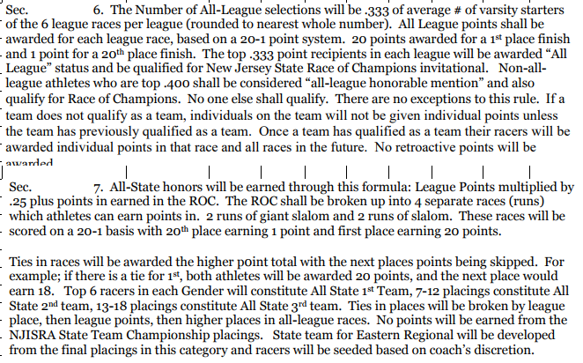

Boys Standings
...
Over .500 win pct. Automatically qualifies for the State Finals
Conf/ # teams | A/B | 6 | A/C | 7 | A/D | 5 | D/B | 5 | D/E | 5 | A/B | 6
 | C/D | 6 | B/E | 6 | F/B | 6 | C/F | 7 | B/C | 7 | C/F | 7
 | E/F | 6 | D/F | 5 | C/E | 7 | A/E | 6 | A/F | 6 | D/ E | 5

