Boys Standings
 | 2025 NJISRA Standings: Boys Standings |  |  |  |  |  |  |  |  |  |  |  |  |  |  |  | Total | Total
 | Team | Conf. | Class | E/W | SL 1 W | SL 1 L | SL 2 W | SL 2 L | SL 3 W | SL 3 L | GS 1 W | GS 1 L | GS 2 W | GS 2 L | GS 3 W | GS 3 L | W | L | Win Pct.
1 | Don Bosco | A | P | E | 7 | 0 | 5 | 1 | 6 | 0 | 5 | 0 | 8 | 0 | 5 | 1 | 36 | 2 | 0.9474 | *Top 9 Win Pct. Qualify for team state finals
2 | Sparta | B | LP | E | 6 | 1 | 6 | 0 | 5 | 1 | 6 | 0 | 9 | 1 | 6 | 0 | 38 | 3 | 0.9268
3 | Ridge | D | LP | W | 6 | 0 | 4 | 0 | 3 | 1 | 5 | 2 | 6 | 1 | 4 | 0 | 28 | 4 | 0.8750
4 | Delbarton | B | P | W | 6 | 1 | 5 | 1 | 6 | 0 | 6 | 0 | 6 | 2 | 5 | 1 | 34 | 5 | 0.8718
5 | Pingry | A | P | W | 4 | 3 | 6 | 0 | 3 | 3 | 5 | 0 | 10 | 0 | 6 | 0 | 34 | 6 | 0.8500
6 | Tenafly | C | LP | E | 4 | 1 | 5 | 0 | 5 | 0 | 4 | 3 | 6 | 2 | 5 | 0 | 29 | 6 | 0.8286
7 | Wayne Hills | B | LP | W | 5 | 2 | 4 | 2 | 4 | 2 | 6 | 0 | 5 | 3 | 4 | 2 | 28 | 11 | 0.7179
8 | Pope John | A | P | E | 5 | 2 | 4 | 2 | 4 | 2 | 4 | 1 | 6 | 2 | 4 | 2 | 27 | 11 | 0.7105
9 | Blair | D | P | W | 3 | 3 | 3 | 1 | 4 | 0 | 4 | 3 | 5 | 2 | 3 | 1 | 22 | 10 | 0.6875
10 | West Milford | A | SP | E | 3 | 4 | 3 | 3 | 5 | 1 | 1 | 4 | 6 | 2 | 3 | 3 | 21 | 17 | 0.5526
11 | Mo Beard | B | P | W | 4 | 3 | 3 | 3 | 3 | 3 | 5 | 1 | 3 | 5 | 3 | 3 | 21 | 18 | 0.5385
12 | Newton* | D | SP | W | 4 | 2 | 2 | 2 | 2 | 2 | 4 | 3 | 3 | 4 | 2 | 2 | 17 | 15 | 0.5313 | *Petro Winner - State Qualifier
13 | Ridgewood | C | LP | E | 4 | 1 | 1 | 4 | 2 | 3 | 3 | 4 | 4 | 4 | 4 | 1 | 18 | 17 | 0.5143
14 | Mt. Lakes | C | SP | W | 2 | 4 | 3 | 2 | 3 | 2 | 3 | 4 | 6 | 5 | 3 | 2 | 20 | 19 | 0.5128
15 | Jefferson | C | SP | E | 3 | 2 | 4 | 1 | 4 | 1 | 3 | 4 | 0 | 8 | 2 | 3 | 16 | 19 | 0.4571
16 | Dw. Englewood | C | P | E | 1 | 4 | 2 | 3 | 1 | 4 | 3 | 4 | 4 | 4 | 1 | 4 | 12 | 23 | 0.3429
17 | High Point | A | SP | E | 2 | 5 | 2 | 4 | 2 | 4 | 1 | 4 | 4 | 4 | 2 | 4 | 13 | 25 | 0.3421
18 | Wayne Valley | D | LP | W | 3 | 3 | 0 | 4 | 0 | 4 | 4 | 3 | 2 | 5 | 1 | 3 | 10 | 22 | 0.3125
19 | NV - Demarest | B | SP | E | 2 | 5 | 1 | 5 | 1 | 5 | 1 | 5 | 3 | 7 | 2 | 4 | 10 | 31 | 0.2439
20 | Bergen Catholic | B | P | E | 3 | 4 | 0 | 6 | 2 | 4 | 1 | 5 | 2 | 8 | 1 | 5 | 9 | 32 | 0.2195
21 | Bernards | D | SP | W | 1 | 5 | 1 | 3 | 1 | 3 | 1 | 6 | 2 | 5 | 0 | 4 | 6 | 26 | 0.1875
22 | Vernon | A | SP | E | 0 | 7 | 1 | 5 | 1 | 5 | 1 | 4 | 3 | 5 | 1 | 5 | 7 | 31 | 0.1842
23 | Livingston | B | LP | W | 2 | 5 | 2 | 4 | 0 | 6 | 1 | 5 | 1 | 7 | 0 | 6 | 6 | 33 | 0.1538
24 | Passaic Tech^5/6 | A | LP | W | 0 | 7 | 0 | 6 | 0 | 6 | 0 | 5 | 0 | 10 | 0 | 6 | 0 | 40 | 0.0000
25 | Ramapo^4/6 | C | LP | E | 0 | 5 | 0 | 5 | 0 | 5 | 0 | 7 | 0 | 8 | 0 | 5 | 0 | 35 | 0.0000
 | Mahwah | C |  | E | * | * | * | * | * | * | * | * | * | * | * | * | * | * | *
 | Morris Knolls | C |  | W | * | * | * | * | * | * | * | * | * | * | * | * | * | * | *
 |  |  |  |  | 1/10: A/B |  | 1/15: A:6 |  | 1/22: A:7 |  | 1/29:B/C |  | 2/7: East |  | 2/13: A:7^
 |  |  |  |  | A: 7 B:7 |  | 1/15: C:6 |  | 1/22: B:7 |  | B:7 C:6 |  | A:5 B:3 C:5 |  | 2/14: B:7
 |  |  |  |  | 1/10: C/D |  | 1/17: B:7 |  | 1/24: C:6^ |  | 2/3: A/D |  | 2/8: West |  | 2/12: C:6
 |  |  |  |  | C:6^ D: 5 |  | 1/17: D:5 |  | 1/24: D:5 |  | A:7 D: 5 |  | A:2 B:4 C:1 D:5 |  | 2/18: D:5

 | *- Did not qualify - not enough starters |  |  |  |  |  | ^ Ramapo(SL1, SL3 did not qualify); Raced in 4/6 which qualifies as a team
Classifications: P - Private, |  |  |  |  |  |  | ^ PCTI(GS3 did not qualify); Raced in 5/6 which qualifies as a team
LP - Large Public, SP - Small Public
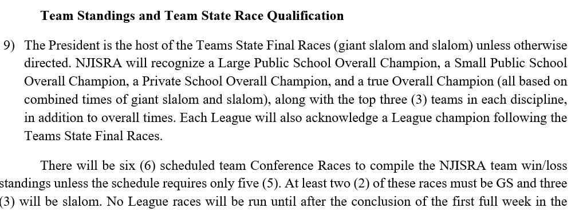

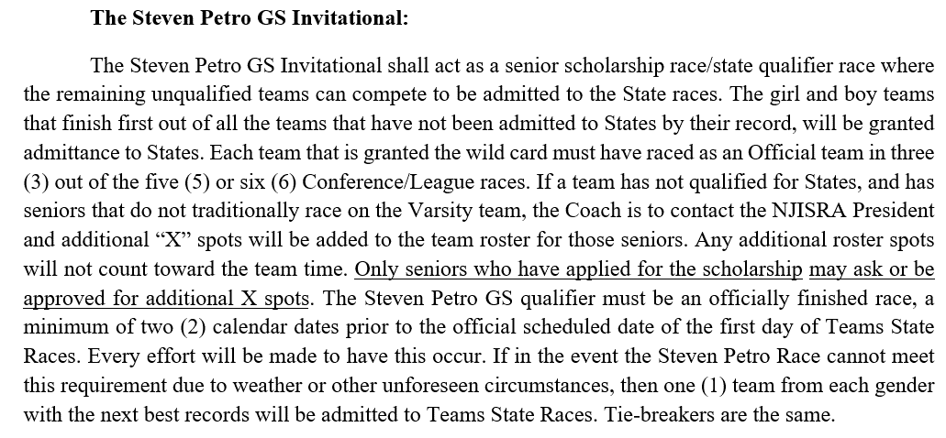

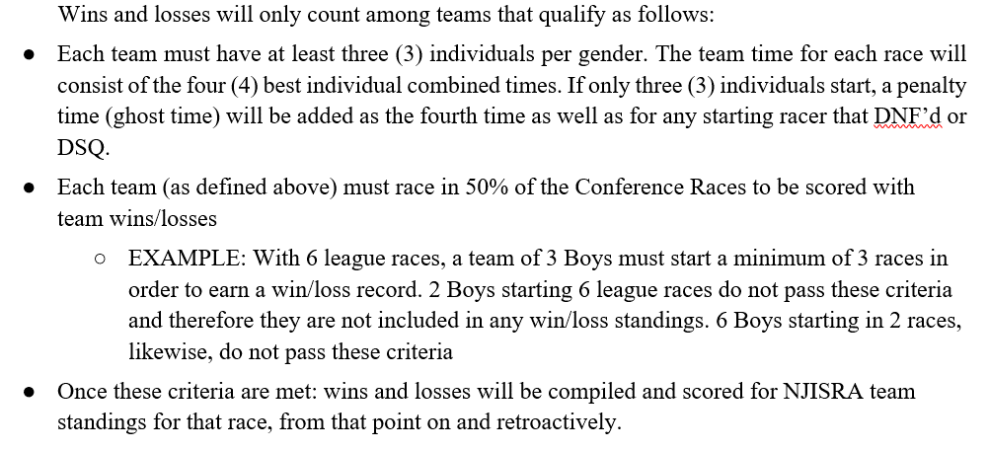

Boys Point Totals
 |  |  |  |  | A/B,C/D |  | A,B,C,D |  | A,B,C,D |  | B/C, A/D |  | East/West |  | A,B,C,D
PL | TEAM | NAME | Lg | E/W | SL-1 (1) | SL-1 (2) | SL-2 (1) | SL-2 (2) | SL-3 (1) | SL-3 (2) | GS-1 (1) | GS-1 (2) | GS-2 (1) | GS-2 (2) | GS-3 (1) | GS-3 (2) | Total
1 | DELBA | Curt Friedrich | B | W | 30 | 30 | 30 | 30 | 30 | 30 | 30 | 30 | 30 | 30 | 30 | 30 | 360 | *Top 35 - Qualify for ROC
2 | DONBO | Charles Bodnar | A | E | 28 | 27 | 28 | 28 | 30 | 26 | 26 | 27 | 29 | 29 | 26 | 27 | 331 | Top 30 - All-League
3 | PINGR | Parker Junger | A | W | 29 | 28 | 30 | 29 | 0 | 28 | 29 | 28 | 28 | 28 | 27 | 29 | 313 | 31-40 - All-League Honorable Mention
4 | TENAF | Drew Dzwonkowski | C | E | 25 | 25 | 28 | 26 | 27 | 26 | 26 | 20 | 24 | 24 | 29 | 29 | 309
5 | SPART | Ryan Grycuk | B | E | 19 | 21 | 27 | 26 | 27 | 27 | 27 | 27 | 23 | 23 | 29 | 29 | 305
6 | RIDGE | Brody Chard - Cuni | D | W | 28 | 27 | 30 | 30 | 18 | 29 | 16 | 19 | 25 | 25 | 27 | 29 | 303
7 | DONBO | Straus Daniel | A | E | 24 | 24 | 25 | 24 | 28 | 25 | 25 | 23 | 26 | 25 | 25 | 26 | 300
8 | POPEJ | Harrison Burgess | A | E | 23 | 25 | 14 | 25 | 29 | 27 | 23 | 24 | 25 | 26 | 28 | 28 | 297
9 | BLAIR | Fitz Kling | D | W | 30 | 30 | 0 | 0 | 30 | 30 | 28 | 26 | 29 | 29 | 30 | 30 | 292
10 | TENAF | Eli Dzwonkowski | C | E | 0 | 0 | 29 | 30 | 29 | 30 | 29 | 29 | 27 | 27 | 28 | 28 | 286
11 | SPART | Patrick Fitzsimmon | B | E | 21 | 23 | 28 | 29 | 23 | 25 | 19 | 22 | 17 | 17 | 27 | 26 | 277
12 | SPART | Finn Kowalski | B | E | 20 | 19 | 26 | 27 | 15 | 28 | 17 | 24 | 21 | 22 | 28 | 24 | 271
13 | PINGR | Will Brisson | A | W | 25 | 0 | 26 | 26 | 27 | 24 | 22 | 22 | 26 | 26 | 15 | 24 | 263
14 | MORSK | Tyler Stone | C | W | 0 | 0 | 0 | 29 | 30 | 29 | 28 | 28 | 27 | 27 | 30 | 30 | 258
15 | JEFFR | Aidan Fitzsimmons | C | E | 27 | 28 | 27 | 27 | 26 | 27 | 21 | 17 | 0 | 0 | 27 | 27 | 254
16 | WYNHI | Nathan Gaddis | B | W | 6 | 10 | 29 | 28 | 26 | 29 | 24 | 26 | 23 | 18 | 0 | 28 | 247
17 | MTNLA | James Santiago | C | W | 24 | 20 | 22 | 22 | 15 | 24 | 15 | 14 | 14 | 20 | 25 | 23 | 238
18 | PINGR | Camden Collins | A | W | 0 | 29 | 29 | 30 | 0 | 30 | 30 | 30 | 0 | 0 | 29 | 30 | 237
19 | DONBO | Thomas Harle | A | E | 26 | 26 | 27 | 27 | 0 | 0 | 24 | 25 | 28 | 28 | 0 | 25 | 236
20 | WYNHI | Hunter Bandola | B | W | 12 | 12 | 23 | 24 | 28 | 26 | 18 | 21 | 10 | 10 | 24 | 27 | 235
21 | RIDGE | Carter Oberman | D | W | 4 | 9 | 26 | 25 | 20 | 15 | 20 | 17 | 19 | 21 | 29 | 28 | 233
22 | WYNVA | Colin Krawczak | D | W | 29 | 29 | 0 | 29 | 29 | 0 | 12 | 11 | 22 | 16 | 28 | 27 | 232
23 | SPART | George Flint | B | E | 10 | 2 | 21 | 20 | 24 | 22 | 22 | 25 | 15 | 19 | 26 | 25 | 231
24 | RIDGE | Johan Svennson | D | W | 6 | 0 | 28 | 27 | 25 | 24 | 21 | 20 | 0 | 24 | 25 | 24 | 224
25 | PINGR | Trey Frear | A | W | 17 | 17 | 22 | 19 | 25 | 22 | 15 | 16 | 15 | 11 | 22 | 21 | 222
26 | DWIGH | Neel Gupta | C | E | 23 | 24 | 24 | 21 | 21 | 19 | 8 | 11 | 11 | 10 | 22 | 25 | 219
27 | RIDGE | James Mccarthy | D | W | 18 | 17 | 24 | 26 | 27 | 26 | 0 | 0 | 12 | 19 | 23 | 23 | 215
28 | DONBO | John Devir | A | E | 27 | 0 | 0 | 0 | 0 | 29 | 27 | 29 | 30 | 30 | 30 | 11 | 213
29 | DONBO | Rocco Arcese | A | E | 16 | 20 | 23 | 20 | 20 | 19 | 19 | 18 | 22 | 0 | 17 | 19 | 213
30 | BLAIR | Ricky Duan | D | W | 19 | 15 | 29 | 28 | 28 | 28 | 14 | 14 | 16 | 22 | 0 | 0 | 213
...
 |  |  |  |  | A/B,C/D |  | A,B,C,D |  | A,B,C,D |  | B/C, A/D |  | East/West |  | A,B,C,D
157 | POPEJ | Will Franco | A | E | 0 | 0 | 0 | 0 | 0 | 0 | 0 | 0 | 0 | 0 | 0 | 0 | 0
158 | BERGE | Blake Young | B | E | 0 | 0 | 0 | 0 | 0 | 0 | 0 | 0 | 0 | 0 | 0 | 0 | 0
159 | LIVNS | Milan Alexandrio | B | W | 0 | 0 | 0 | 0 | 0 | 0 | 0 | 0 | 0 | 0 | 0 | 0 | 0
160 | LIVNS | Sam Kritzer | B | W | 0 | 0 | 0 | 0 | 0 | 0 | 0 | 0 | 0 | 0 | 0 | 0 | 0
161 | LIVNS | Samay Nistala | B | W | 0 | 0 | 0 | 0 | 0 | 0 | 0 | 0 | 0 | 0 | 0 | 0 | 0
162 | MOBEA | Arden Upadya | B | W | 0 | 0 | 0 | 0 | 0 | 0 | 0 | 0 | 0 | 0 | 0 | 0 | 0
163 | DWIGH | Graham Schwartz | C | E | 0 | 0 | 0 | 0 | 0 | 0 | 0 | 0 | 0 | 0 | 0 | 0 | 0

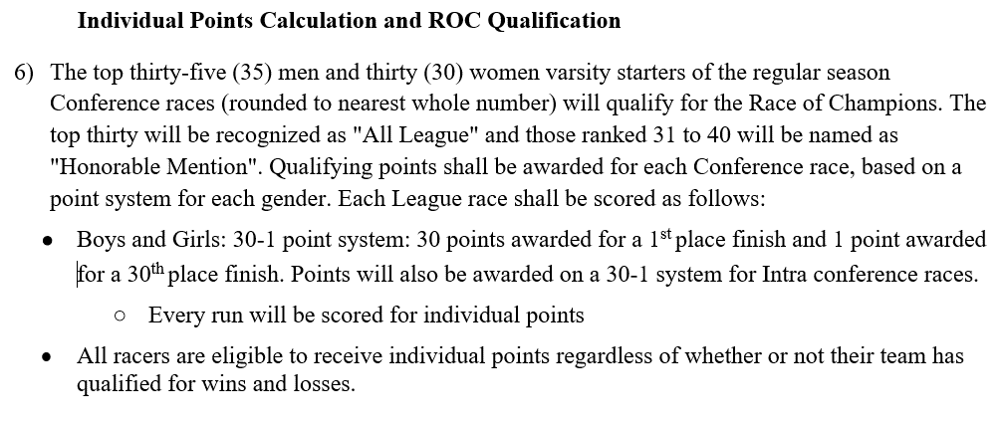
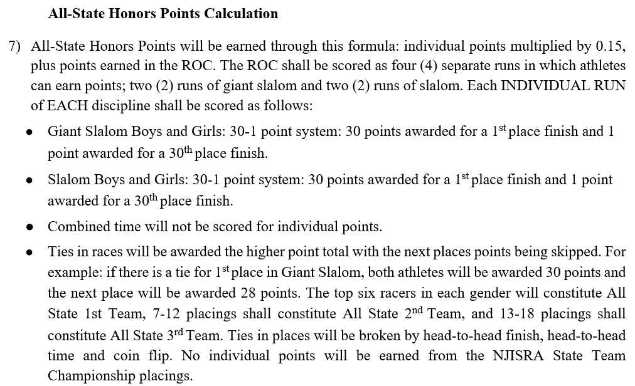

ROC BOYS
...
ROC - Boys Point Totals
35 | JEFFR | Matthew Butler | C | E | 192 | 28.80 | 0 | 0 | 0 | 0 | 28.80
37
38
39
40
41
42
43
44
45
