Boys Standings
 | 2023 NJISRA Standings: Boys Standings |  |  |  |  |  |  |  |  |  |  |  |  |  |  |  |  | Total | Total
 | Team | Conf. | E/W | Sl 1 W-L^ | SL 1 W^ | SL 1 L^ | SL 2 W | SL 2 L | SL 3 W | SL 3 L | GS 1 W-L^ | GS 1 W | GS 1 L | GS 2 W | GS 2 L | GS 3 W | GS 3 L | W | L | Win Pct.
1 | Pingry | D | w | 8-0 | 5 | 0 | 7 | 0 | 7 | 0 | 8-0 | 5 | 0 | 6 | 0 | 6 | 0 | 36 | 0 | 1.000 | Top 11 Qualify For
2 | Don Bosco | B | e | 11-0 | 7 | 0 | 5 | 0 | 5 | 1 | 11-0 | 7 | 0 | 6 | 0 | 5 | 1 | 35 | 2 | 0.946 | Team State Finals
3 | Delbarton | C | e | 10-1 | 7 | 1 | 6 | 1 | 4 | 2 | 10-1 | 7 | 1 | 6 | 0 | 6 | 0 | 36 | 5 | 0.878
4 | Sparta | F | w | 7-1 | 5 | 1 | 6 | 0 | 5 | 0 | 6-2 | 4 | 1 | 5 | 1 | 4 | 2 | 29 | 5 | 0.853
5 | Ridgewood | E | e | 7-4 | 5 | 3 | 4 | 2 | 6 | 1 | 7-4 | 5 | 3 | 5 | 1 | 4 | 2 | 29 | 12 | 0.707
6 | Tenafly | E | e | 9-2 | 6 | 1 | 3 | 3 | 4 | 3 | 8-3 | 5 | 2 | 3 | 3 | 6 | 0 | 27 | 12 | 0.692
7 | Vernon | D | e | 3-8 | 2 | 5 | 5 | 2 | 3 | 4 | 9-2 | 6 | 1 | 4 | 2 | 4 | 2 | 24 | 16 | 0.600 | *Vernon awarded higher
8 | Blair | F | w | 1-7 | 1 | 5 | 5 | 1 | 2 | 3 | 7-1 | 5 | 1 | 3 | 3 | 5 | 1 | 21 | 14 | 0.600 | seed based on head to head
9 | Mo Beard | A | w | 5-3 | 3 | 2 | 4 | 1 | 1 | 4 | 3-5 | 2 | 3 | 4 | 2 | 5 | 1 | 19 | 13 | 0.594 | in GS 2
10 | Bergen Catholic | A | e | 6-5 | 4 | 3 | 3 | 2 | 3 | 2 | 6-5 | 4 | 3 | 5 | 1 | 1 | 5 | 20 | 16 | 0.556
11 | Ridge | F | w | 3-5 | 2 | 3 | 2 | 4 | 4 | 1 | 5-3 | 3 | 2 | 2 | 4 | 3 | 3 | 16 | 17 | 0.485
12 | Passaic Tech | C | e | 5-6 | 3 | 4 | 1 | 6 | 6 | 0 | 4-7 | 3 | 5 | 3 | 3 | 1 | 5 | 17 | 23 | 0.425
13 | Wayne Hills | E | w | 0-8 | 0 | 5 | 0 | 6 | 5 | 2 | 4-4 | 3 | 3 | 4 | 2 | 3 | 3 | 15 | 21 | 0.417
14 | Bernards | C | w | 6-2 | 4 | 1 | 3 | 4 | 1 | 5 | 1-7 | 1 | 5 | 1 | 5 | 2 | 4 | 12 | 24 | 0.333
15 | Wayne Valley | B | w | 4-4 | 3 | 3 | 0 | 5 | 2 | 4 | 0-8 | 0 | 5 | 2 | 4 | 3 | 3 | 10 | 24 | 0.294
16 | Pope John | E | e | 8-3 | 5 | 2 | 1 | 5 | 2 | 5 | 5-6 | 3 | 4 | 0 | 6 | 0 | 6 | 11 | 28 | 0.282
17 | Newton | A | w | 2-6 | 1 | 4 | 2 | 3 | 0 | 5 | 2-6 | 1 | 4 | 2 | 4 | 2 | 4 | 8 | 24 | 0.250
18 | High Point | D | e | 4-7 | 3 | 5 | 2 | 5 | 1 | 6 | 2-9 | 1 | 6 | 1 | 5 | 1 | 5 | 9 | 32 | 0.220
19 | Mt. Lakes | B | e | 2-9 | 1 | 6 | 1 | 4 | 3 | 3 | 3-8 | 2 | 5 | 1 | 5 | 0 | 6 | 8 | 29 | 0.216
20 | Dw. Englewood | D | e | 0-11 | 0 | 7 | 4 | 3 | 0 | 7 | 0-11 | 0 | 7 | 0 | 6 | 2 | 4 | 6 | 34 | 0.150
21 | West Milford | C | e | 1-10 | 1 | 7 | 0 | 7 | 0 | 6 | 1-10 | 1 | 7 | 0 | 6 | 0 | 6 | 2 | 39 | 0.049
22 | Jefferson | A | w/e | * | * | * | * | * | * | * | * | * | * | * | * | * | * | * | * | 0.000
 |  |  |  |  | 1/20: East | 12 teams | 1/26: A/B 6 Teams |  | 2/5: A/F 6 teams |  | 2/10: East: 12 Teams |  |  | 2/15: D/F 7 Teams |  | 2/8: B/D: 7 Teams
 |  |  |  |  | 1/20: West | 9 teams | 1/27: C/D 8 Teams |  | 2/5:B/C 7 teams# |  | 2/11: West: 9 Teams |  |  | 2/15: B/E 7 Teams |  | 2/8: C/F: 7 Teams
 |  |  |  |  |  |  | 1/29: E/F 7 Teams |  | 2/5:D/E 8 Teams |  |  |  |  | 2/17: A/C 7 Teams |  | 2/13: A/E: 7 Teams
 |  |  |  |  |  | #-West Milford did not qualify but wins and losses were awarded with anticipation of them fulfilling race requirement of half of the league races. If they do not qualify, records will be adjusted.
 |  |  |  |  |  | ^ - All wins and losses for this race will be multiplied by 2/3 for amended wins and losses which will count for final standings. All decimals will be rounded to nearest whole number.
 |  |  |  |  |  | *- Did not qualify - not enough starters
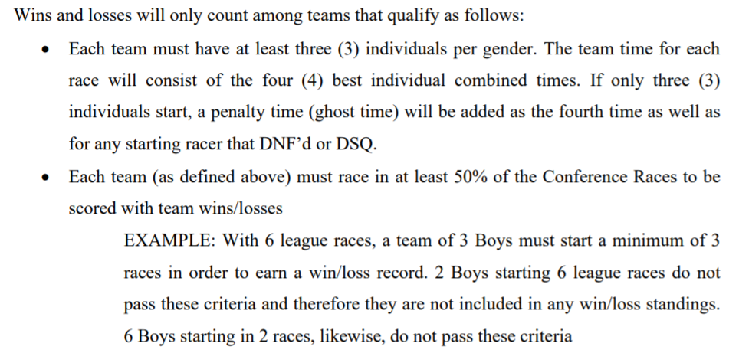

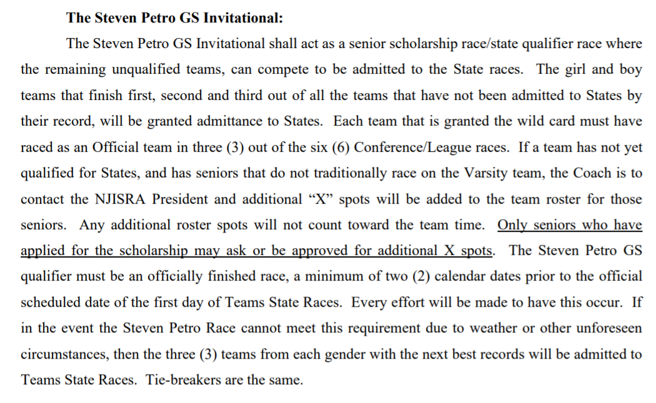

Boys Point Totals
2023 Boys Point Totals
 |  |  |  |  |  | 1/26: A/B | 2/5: A/F |  | 2/15: D/F | 2/8: B/D
 |  |  |  |  | 1/20: East | 1/27:C/D | 2/5: B/C | 2/10: East | 2/15: B/E | 2/8: C/F
 |  |  |  |  | 1/20: West | 1/29: E/F | 2/5: D/E | 2/11: West | 2/17: A/C | 2/13: A/E
 | Name | Team | Lg | e/w | SL 1 | SL 2 | SL 3 | GS 1 | GS 2 | GS 3 | Total
1 | Camden Collins | Pingry | D | w | 27 | 29 | 29 | 30 | 30 | 28 | 173 | 1-38 All League
2 | Connor Magee | Don Bosco | B | e | 28 | 29 | 27 | 29 | 29 | 30 | 172 | Qualify for ROC
3 | Spencer Donohue | Don Bosco | B | e | 29 | 28 | 30 | 30 | 30 | 22 | 169
4 | Eli Dzwonkowski | Tenafly | E | e | 27 | 29 | 27 | 28 | 28 | 28 | 167
5 | Parker Junger | Pingry | D | w | 26 | 16 | 30 | 28 | 29 | 29 | 158
6 | Alex Mueller | Ridgewood | E | e | 26 | 30 | 28 | 23 | 24 | 26 | 157
7 | Ryan Johnson | Delbarton | C | e | 23 | 15 | 28 | 27 | 27 | 28 | 148
8 | Patrick Payne | Blair | F | w | 13 | 27 | 24 | 26 | 28 | 27 | 145
9 | Nathan Park | Bergen Catholic | A | e | 4 | 27 | 28 | 26 | 30 | 29 | 144
10 | Robert Rhine | Newton | A | w | 23 | 24 | 27 | 21 | 26 | 23 | 144
11 | Kanna Pasunuri | Sparta | F | w | 21 | 28 | 26 | 22 | 27 | 18 | 142
12 | Morgan Freifelder | Vernon | D | e | 14 | 28 | 25 | 22 | 26 | 25 | 140
13 | Chase Greenberg | Mo Beard | A | w | 29 | 30 | 30 | 27 | 0 | 18 | 134
14 | Joon Park | Blair | F | w | 0 | 24 | 29 | 29 | 22 | 29 | 133
15 | Matt Lombardo | Pingry | D | w | 24 | 27 | 0 | 25 | 21 | 26 | 123
16 | Drew Young | Sparta | F | w | 22 | 25 | 25 | 0 | 24 | 26 | 122
17 | Tyler Heykoop | Vernon | D | e | 21 | 4 | 21 | 25 | 23 | 27 | 121
18 | Max Naseef | Pingry | D | w | 15 | 25 | 26 | 12 | 18 | 23 | 119
19 | Louis Friedrich | Delbarton | C | e | 30 | 30 | 0 | 0 | 28 | 30 | 118
20 | James Kressman | Sparta | F | w | 19 | 21 | 21 | 23 | 11 | 20 | 115
21 | Ryan Mccook | Passaic Tech | C | e | 19 | 23 | 26 | 16 | 21 | 0 | 105
22 | Hayden Vanvliet | Delbarton | C | e | 15 | 0 | 24 | 15 | 25 | 22 | 101
23 | Ben Kotch | Blair | F | w | 0 | 26 | 0 | 24 | 25 | 23 | 98
24 | Daniel Speeney | Ridge | F | w | 0 | 18 | 23 | 13 | 17 | 24 | 95
25 | Jack Nardi | Ridge | F | w | 0 | 23 | 22 | 19 | 15 | 15 | 94
26 | Matthew Maguire | Don Bosco | B | e | 25 | 23 | 0 | 19 | 25 | 0 | 92
27 | Harrison Burgess | Pope John | E | e | 20 | 0 | 0 | 18 | 26 | 27 | 91
28 | Thomas Harle | Don Bosco | B | e | 24 | 25 | 0 | 24 | 0 | 17 | 90
29 | Ethan Holden | Ridgewood | E | e | 8 | 15 | 19 | 7 | 21 | 20 | 90
30 | Bogdan Kuzmanov | Pingry | D | w | 12 | 18 | 22 | 11 | 12 | 13 | 88
31 | Nicolas Fonseca | Mo Beard | A | w | 28 | 0 | 0 | 0 | 29 | 30 | 87
32 | George Flint | Sparta | F | w | 17 | 19 | 0 | 16 | 16 | 19 | 87
33 | Nathan Harris | Passaic Tech | C | e | 16 | 0 | 25 | 4 | 24 | 17 | 86
34 | Hunter Bandola | Wayne Hills | E | w | 14 | 0 | 23 | 14 | 14 | 21 | 86
35 | Liam Tenenbaum | Tenafly | E | e | 7 | 22 | 18 | 13 | 0 | 25 | 85
36 | Nicholas Decker | Vernon | D | e | 12 | 20 | 24 | 0 | 10 | 18 | 84
37 | William Hockstein | Ridge | F | w | 20 | 17 | 0 | 18 | 8 | 21 | 84
38 | James Bruning | Hi Point | D | e | 0 | 10 | 17 | 20 | 13 | 19 | 79
39 | Felix O'halloran | Dw. Englewood | D | e | 0 | 26 | 20 | 10 | 0 | 21 | 77 | 39-45 Honorabel Mention
40 | Nathan Gaddis | Wayne Hills | E | w | 0 | 20 | 12 | 17 | 4 | 24 | 77 | Qualify for ROC
41 | John Devir | Don Bosco | B | e | 18 | 0 | 29 | 0 | 27 | 0 | 74
42 | Daniel Straus | Don Bosco | B | e | 0 | 26 | 0 | 21 | 0 | 24 | 71
43 | Nicholas Napolitan | Bergen Catholic | A | e | 3 | 22 | 0 | 17 | 23 | 0 | 65
44 | Vincent Dileone | Don Bosco | B | e | 17 | 0 | 0 | 5 | 22 | 20 | 64
45 | Liam Larson | Delbarton | C | e | 22 | 22 | 0 | 0 | 18 | 0 | 62
46 | Charles Gersh | Mt. Lakes | B | e | 5 | 21 | 0 | 11 | 23 | 0 | 60
47 | Pierce Weiss | Delbarton | C | e | 9 | 17 | 15 | 3 | 0 | 16 | 60
...
 |  |  |  |  | 1/20: West | 1/29: E/F | 2/5: D/E | 2/11: West | 2/17: A/C | 2/13: A/E
 | Name | Team | Lg | e/w | SL 1 | SL 2 | SL 3 | GS 1 | GS 2 | GS 3 | Total
133 | Jagger Joseph | Dw. Englewood | D | e | 0 | 0 | 0 | 0 | 0 | 1 | 1
134 | Gabriel Reinstein | Hi Point | D | e | 0 | 0 | 1 | 0 | 0 | 0 | 1
135 | Matthew Butler | Jefferson | A | w/e | x23 | x23 | x0 | x0 | x0 | x0 | 0
136 | Aidan Fitzsimmons | Jefferson | A | w/e | x13 | x22 | x0 | x9 | x16 | x18 | 0

 |  | # of racers: |  |  | East: 60 | A/B: 33 | A/F: 33 | East: 60 | D/F: 38 | B/D: 35
 |  |  |  |  | West: 53 | C/D: 42 | B/C: 35 | West: 50 | B/E: 40 | C/F: 37
 |  |  |  |  |  | E/F: 40 | D/E: 40 |  | A/C: 37 | A/E: 41
 |  |  |  |  |  |  |  |  |  |  | Avg. | ROC: top 45
 |  | Total racers: |  |  | 113 | 115 | 108 | 114 | 115 | 113 | 113 | 113 x .333 = 37.66 | 1-38 All League
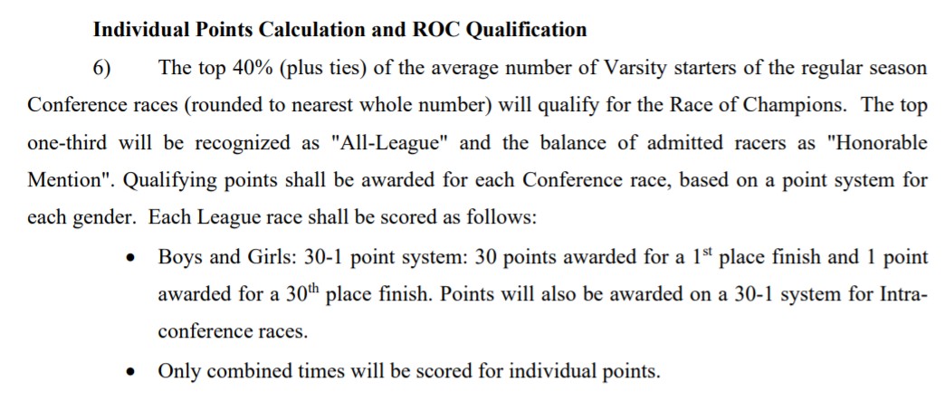
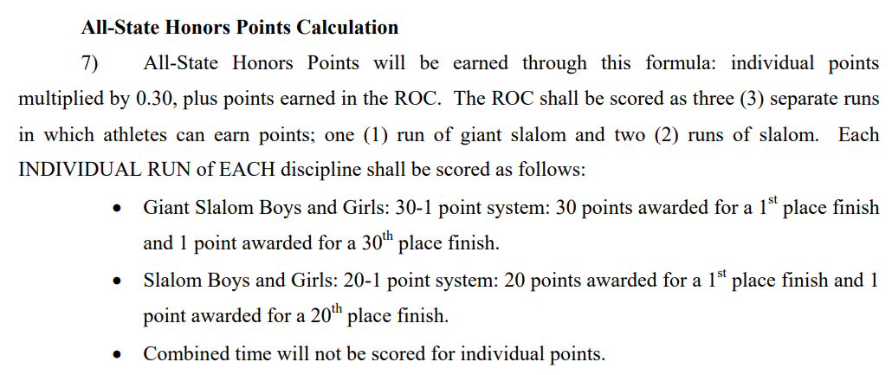
 |  |  |  |  |  |  |  |  |  |  |  | 113 x .4=45.2 | 39-45 Honorable mention

