Boys Standings
 | 2024 NJISRA Standings: Boys Standings |  |  |  |  |  |  |  |  |  |  |  |  |  |  | Total | Total
 | Team | Conf. | E/W | SL 1 W | SL 1 L | SL 2 W | SL 2 L | SL 3 W | SL 3 L | GS 1 W | GS 1 L | GS 2 W | GS 2 L | GS 3 W | GS 3 L | W | L | Win Pct.
1 | Delbarton | B | e | 7 | 1 | 9 | 0 | 9 | 0 | 7 | 0 | 8 | 0 | 9 | 0 | 49 | 1 | 0.9800 | *Top 10 Win Pct. Qualify for team state finals
2 | Pingry | D | w | 8 | 0 | 6 | 0 | 10 | 0 | 7 | 0 | 7 | 1 | 10 | 0 | 48 | 1 | 0.9796
3 | Don Bosco | A | e | 8 | 0 | 6 | 0 | 9 | 1 | 6 | 1 | 5 | 1 | 9 | 1 | 43 | 4 | 0.9149
4 | Mo Beard | E | w | 3 | 2 | 4 | 2 | 7 | 1 | 6 | 1 | 6 | 1 | 7 | 1 | 33 | 8 | 0.8049
5 | Ridge | F | w | 5 | 0 | 3 | 3 | 5 | 3 | 7 | 0 | 6 | 0 | 6 | 2 | 32 | 8 | 0.8000
6 | Sparta | E | w | 4 | 1 | 5 | 1 | 7 | 1 | 3 | 4 | 7 | 0 | 6 | 2 | 32 | 9 | 0.7805
7 | Tenafly | B | e | 5 | 3 | 8 | 1 | 8 | 1 | 2 | 5 | 4 | 4 | 8 | 1 | 35 | 15 | 0.7000
8 | Pope John | D | e | 7 | 1 | 4 | 2 | 6 | 4 | 4 | 3 | 5 | 3 | 7 | 3 | 33 | 16 | 0.6735
9 | Ridgewood | B | e | 6 | 2 | 7 | 2 | 8 | 1 | 5 | 2 | 6 | 2 | 1 | 8 | 33 | 17 | 0.6600
10 | Newton | E | w | 2 | 3 | 3 | 3 | 5 | 3 | 4 | 3 | 5 | 2 | 4 | 4 | 23 | 18 | 0.5610
11 | Passaic Tech | D | e | 6 | 2 | 2 | 4 | 6 | 4 | 5 | 2 | 2 | 6 | 6 | 4 | 27 | 22 | 0.5510
12 | Wayne Hills | C | w | 4 | 4 | 6 | 3 | 3 | 6 | 5 | 2 | 4 | 3 | 5 | 4 | 27 | 22 | 0.5510
13 | Blair | F | w | 1 | 4 | 5 | 1 | 5 | 3 | 6 | 1 | 4 | 2 | 1 | 7 | 22 | 18 | 0.5500
14 | West Milford | C | e | 5 | 3 | 4 | 5 | 1 | 10 | 4 | 3 | 1 | 6 | 7 | 4 | 22 | 31 | 0.4151
15 | Wayne Valley | C | w | 2 | 6 | 5 | 4 | 3 | 6 | 2 | 5 | 3 | 4 | 5 | 4 | 20 | 29 | 0.4082
16 | Vernon | D | e | 3 | 5 | 0 | 6 | 6 | 4 | 3 | 4 | 0 | 8 | 6 | 4 | 18 | 31 | 0.3673
17 | Jefferson | B | e | 4 | 4 | 3 | 6 | 5 | 4 | 1 | 6 | 1 | 7 | 4 | 5 | 18 | 32 | 0.3600
18 | High Point | A | e | 2 | 6 | 2 | 4 | 3 | 7 | 1 | 6 | 1 | 5 | 3 | 7 | 12 | 35 | 0.2553
19 | Bergen Catholic | A | e | 1 | 7 | 0 | 6 | 3 | 7 | 2 | 5 | 3 | 3 | 3 | 7 | 12 | 35 | 0.2553
20 | Mt. Lakes | B | w | 3 | 5 | 1 | 8 | 2 | 8 | 0 | 7 | 3 | 5 | 3 | 7 | 12 | 40 | 0.2308
21 | Bernards | F | w | 0 | 5 | 1 | 5 | 0 | 8 | 3 | 4 | 2 | 4 | 0 | 8 | 6 | 34 | 0.1500
22 | Dw. Englewood* | C | e | 0 | 8 | 2 | 7 | 0 | 10 | 1 | 6 | 2 | 5 | 0 | 10 | 5 | 46 | 0.0980
23 | Livingston | A | w | 0 | 8 | 1 | 5 | 1 | 9 | 0 | 7 | 0 | 6 | 1 | 9 | 3 | 44 | 0.0638
24 | Ramapo | C | e | 1 | 7 | 0 | 9 | 0 | 10 | 0 | 7 | 0 | 7 | 2 | 9 | 3 | 49 | 0.0577
 |  |  |  | 1/26:AB 9 tms |  | 1/12:DF 6 tms |  | 1/24:East 13 tms |  | 2/7: AD 8 tms |  | 2/2:AF 7 tms |  | 2/9: East 13 tms
 |  |  |  | 1/26:EF 6 tms |  | 1/31:AE 7 tms |  | 2/16:West 11 tms |  | 2/14: CF 8 tms |  | 2/2: CE 8 tms |  | 2/11: West 11
 |  |  |  | 1/29:CD 9tms |  | 2/12:BC 10 tms |  |  |  | 2/15 BE 8tms |  | 2/2 BD 9 Tms
 | *Dwight Englewood records have been added in with anticipation of them qualifying in one of their final two races. They have qualified in 2 out of 4 races as of 2/10
 | Livingston qualified by racing in three races-1/26 AB SL1 Race rescored.
 | *- Did not qualify - not enough starters
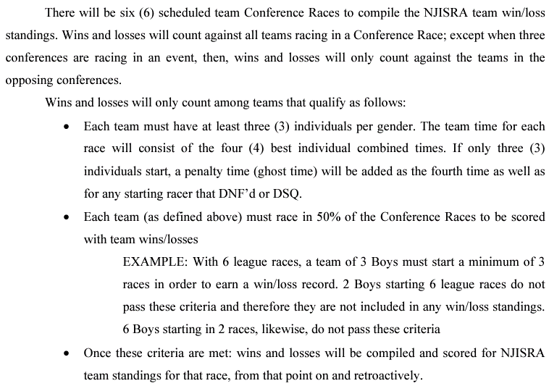

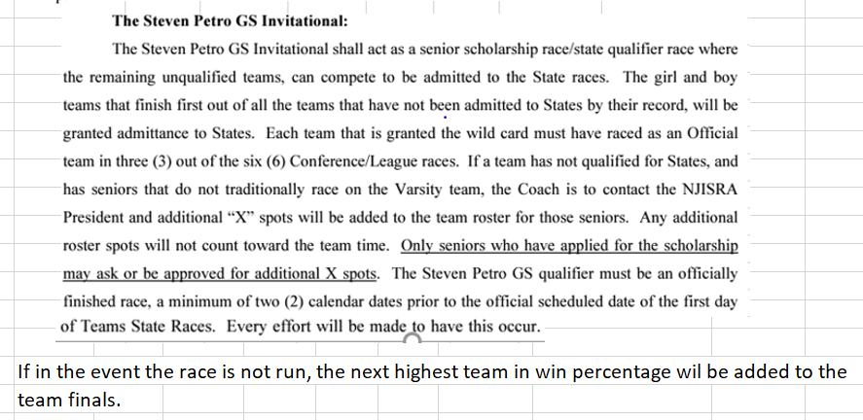

Boys Point Totals
2023 Boys Point Totals
 |  |  |  |  | 1/26 | AB | 1/12 | DF | 1/24: East^ |  | 2/2: AD |  | 2/2: AF |  | 2/9: East |  |  | ^
 |  |  |  |  | 1/26 | EF | 1/31 | AE | 2/16: West |  | 2/14: CF |  | 2/2: CE |  | 2/11: West
 |  |  |  |  | 1/29 | CD | 2/12 | BC |  |  | 2/15: BE |  | 2/2: BD
 | Name | Team | Lg | e/w | SL 1-1 | SL 1-2 | SL 2-1 | SL 2-2 | SL 3-1 | SL 3-2 | GS 1-1 | GS 1-2 | GS 2-1 | GS 2-2 | GS 3-1 | GS 3-2 | Total | Adjusted Total^
1 | Nico Fonseca | Mo Beard | E | w | 30 | 30 | 29 | 29 | 29 | 30 | 28 | 29 | 30 | 30 | 29 | 28 | 351 | 351 | *Top 30 - All League qualify for ROC
2 | Dylan Jay | Pingry | D | w | 28 | 30 | 30 | 30 | 30 | 22 | 29 | 30 | 29 | 27 | 30 | 30 | 345 | 345 | 31-40 Honorable Mention(Do not qualify for ROC)
3 | Louis Friedrich | Delbarton | B | e | 27 | 22 | 30 | 29 | 25 | x | 25 | 25 | 26 | 28 | 30 | 30 | 297 | 324
4 | Eli Dzwonkowski | Tenafly | B | e | 28 | 25 | 27 | 28 | 27 | x | 26 | 27 | 24 | 22 | 29 | 28 | 291 | 317
5 | Jacob Marcovici | Ridgewood | B | e | 29 | 30 | 28 | 27 | 29 | x | 30 | 30 | 28 | 30 | 0 | 27 | 288 | 314
6 | Ryan Johnson | Delbarton | B | e | 23 | 29 | 25 | 26 | 20 | x | 29 | 28 | 28 | 24 | 26 | 24 | 282 | 308
7 | Thomas Harle | Don Bosco | A | e | 24 | 28 | 27 | 27 | 19 | x | 24 | 26 | 29 | 28 | 20 | 21 | 273 | 298
8 | Parker Junger | Pingry | D | w | 29 | 28 | 28 | 28 | 26 | 28 | 27 | 0 | 25 | 26 | 23 | 27 | 295 | 295
9 | Nathan Gaddis | Wayne Hills | C | w | 24 | 25 | 20 | 20 | 24 | 24 | 29 | 28 | 28 | 29 | 18 | 18 | 287 | 287
10 | Emil Osman | West Milford | C | e | 21 | 26 | 25 | 22 | 21 | x | 28 | 30 | 29 | 0 | 25 | 26 | 253 | 276
11 | Camden Collins | Pingry | D | w | 30 | 29 | 29 | 29 | 25 | 25 | 30 | 0 | 23 | 26 | 0 | 29 | 275 | 275
12 | Drew Young | Sparta | E | w | 24 | 26 | 26 | 24 | 22 | 20 | 21 | 22 | 25 | 27 | 19 | 19 | 275 | 275
13 | John Devir | Don Bosco | A | e | 26 | 27 | 30 | 30 | 26 | x | 26 | 29 | 0 | 0 | 27 | 29 | 250 | 273
14 | William Hockstein | Ridge | F | w | 29 | 29 | 23 | 0 | 18 | 23 | 27 | 24 | 26 | 26 | 24 | 23 | 272 | 272
15 | Ryan Grycuk | Sparta | E | w | 26 | 25 | 23 | 21 | 20 | 26 | 23 | 23 | 20 | 21 | 21 | 21 | 270 | 270
16 | Fitz Kling | Blair | F | w | 0 | 0 | 26 | 27 | 28 | 29 | 30 | 29 | 28 | 30 | 28 | 0 | 255 | 255
17 | Curt Friedrich | Delbarton | B | e | 30 | 0 | 29 | 30 | 30 | x | 27 | 26 | 30 | 29 | 0 | 0 | 231 | 252
18 | Nathan Park | Bergen Catholic | A | e | 0 | 0 | 28 | 28 | 24 | x | 19 | 21 | 27 | 29 | 21 | 18 | 215 | 235
19 | Daniel Straus | Don Bosco | A | e | 22 | 8 | 24 | 25 | 22 | x | 21 | 22 | 0 | 23 | 24 | 20 | 211 | 230
20 | Asher Haiduc-dale | Newton | E | w | 23 | 23 | 15 | 19 | 16 | 15 | 22 | 21 | 21 | 25 | 13 | 17 | 230 | 230
21 | Tyler Heykoop | Vernon | D | e | 27 | 0 | 0 | 26 | 28 | x | 28 | 0 | 20 | 23 | 28 | 25 | 205 | 224
22 | Tristan Deffenbaugh | Ridge | F | w | 27 | 28 | 11 | 18 | 15 | 0 | 23 | 26 | 24 | 27 | 0 | 24 | 223 | 223
23 | Carter Oberman | Ridge | F | w | 5 | 21 | 17 | 14 | 11 | 14 | 22 | 23 | 23 | 25 | 22 | 26 | 223 | 223
24 | Matthew Butler | Jefferson | B | e | 21 | 23 | 22 | 23 | 12 | x | 24 | 24 | 11 | 18 | 13 | 13 | 204 | 223
25 | Matt Lombardo | Pingry | D | w | 20 | 21 | 0 | 0 | 21 | 21 | 25 | 28 | 19 | 13 | 25 | 25 | 218 | 218
26 | Harrison Burgess | Pope John | D | e | 23 | 27 | 27 | 0 | 18 | x | 0 | 24 | 12 | 18 | 23 | 23 | 195 | 213
27 | Nathan Harris | Passaic Tech | D | e | 25 | 23 | 0 | 0 | 17 | x | 22 | 27 | 17 | 16 | 22 | 22 | 191 | 208
28 | Aidan Fitzsimmons | Jefferson | B | e | 25 | 26 | 26 | 24 | 23 | x | 0 | 0 | 18 | 14 | 17 | 17 | 190 | 207
29 | Hayden Vanvliet | Delbarton | B | e | 20 | 21 | 17 | 25 | 2 | x | 19 | 19 | 22 | 10 | 15 | 14 | 184 | 201
30 | Will Brisson | Pingry | D | w | 26 | 24 | 24 | 24 | 0 | 0 | 20 | 25 | 16 | 12 | 15 | 14 | 200 | 200
31 | Jackson Steele | Bernards | F | w | 25 | 6 | 0 | 17 | 19 | 19 | 19 | 21 | 22 | 17 | 14 | 20 | 199 | 199
32 | Rocco Arcese | Don Bosco | A | e | 17 | 15 | 21 | 20 | 9 | x | 23 | 23 | 25 | 22 | 0 | 7 | 182 | 199
...
 |  |  |  |  | 1/29 | CD | 2/12 | BC |  |  | 2/15: BE |  | 2/2: BD
 | Name | Team | Lg | e/w | SL 1-1 | SL 1-2 | SL 2-1 | SL 2-2 | SL 3-1 | SL 3-2 | GS 1-1 | GS 1-2 | GS 2-1 | GS 2-2 | GS 3-1 | GS 3-2 | Total | Adjusted Total^
140 | Evan Parker | Newton | E | w | 0 | 0 | 0 | 0 | 0 | 0 | 0 | 0 | 0 | 1 | 0 | 0 | 1 | 1

 |  | # of racers: |  |  | A/B: 43 |  | D/F: 38 |  | East: 65 |  | A/D: 42 |  | A/F: 37 |  | East: 70
 |  |  |  |  | E/F: 36 |  | A/E:39 |  | West: 57 |  | C/F: 38 |  | C/E: 40 |  | West: 62
 |  |  |  |  | C/D:46 |  | B/C:48 |  |  |  | B/E: 44 |  | B/D: 50
 |  |  |  |  |  |  |  |  |  |  |  |  |  |  |  |  | Avg. | 125.8
 |  | Total racers: |  |  | 125 |  | 125 |  | 122 |  | 124 |  | 127 |  | 132

 | X = Team has not qualified/ no points awarded
 | ^All East racers will have their average after 11 runs added to their total because of one less run from Sl 3
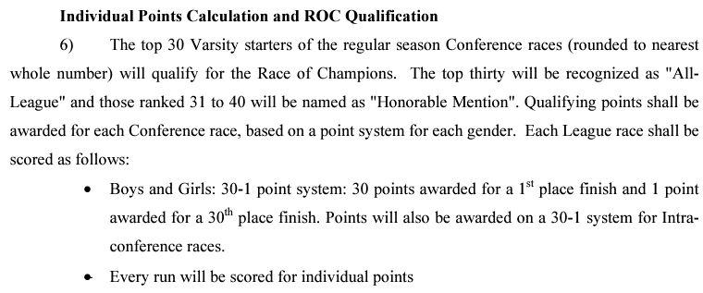
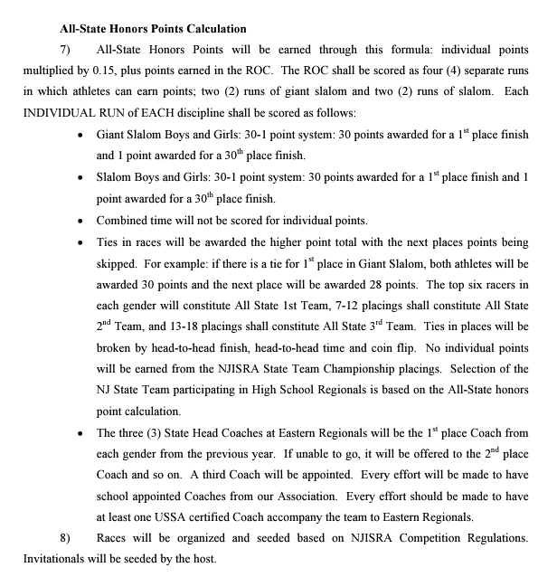

ROC BOYS
...
ROC - Boys Point Totals
24 | Matthew Butler | Jefferson | B | e | 223 | 33.38 | 11 | 9 | 8 | 11 | 72.38
25 | Nathan Gaddis | Wayne Hills | C | w | 287 | 43.05 | 6 | 10 | 12 | 0 | 71.05
26 | Asher Haiduc-dale | Newton | E | w | 230 | 34.50 | 8 | 7 | 7 | 7 | 63.50
27 | Carter Oberman | Ridge | F | w | 223 | 33.45 | 0 | 11 | 6 | 10 | 60.45
28 | Hayden Vanvliet | Delbarton | B | e | 201 | 30.11 | 14 | 8 | 0 | 0 | 52.11
29 | Nathan Park | Bergen Catholic | A | e | 235 | 35.18 | 0 | 0 | 0 | 0 | 35.18
30 | Tristan Deffenbaugh | Ridge | F | w | 223 | 33.45 | 0 | 0 | 0 | 0 | 33.45

